Applicant Details
North-East Atlantic Marine Biological Analytical Quality Control Scheme
Year 30 (2023-24) Scheme participation application form (version 1)
Please return this completed form by e-mail to:
deborah.coates@environment-agency.gov.uk
cc. graham.phillips@environment-agency.gov.uk
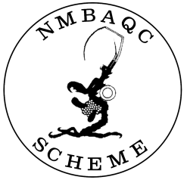 Date of application:
Organisation Name:
Organisation Web Site:
Lab manager name:
Contact name for sample receipt:
Address 1: Department
Address 2: Building number/name
Address 3: Street
Address 4: Town/City
Address 5: Region/County/Province
Address 6: Country | Select country…
Address 7: Post Code
Telephone:
Facsimile:
E-mail:
Invoice Contact Name:
Invoice Adress 1: Department
Invoice Adress 2: Building number/name
Invoice Adress 3: Street
Invoice Adress 4: Town/City
Invoice Adress 5: Region/County/Province
Invoice Adress 6: Country | Select country…
Invoice Adress 7: Post Code
Invoice Telephone:
Invoice Facsimile:
Invoice email:
Purchase Order number:
VAT/EORI number:
General Data Protection Regulation (GDPR) Do you give permission for the names and e-mail addresses provided to be passed to key NMBAQC contacts (Chair, technical secretary, contract managers, scheme contractors and contractors representative) so they can contact you directly regarding relevant NMBAQC matters? | Select…
Additional information: (e.g. contact details for specific modules, invoicing requirements)

